Sheet2
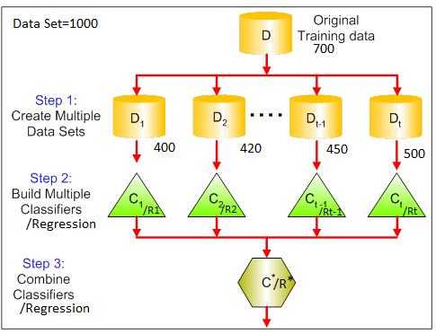
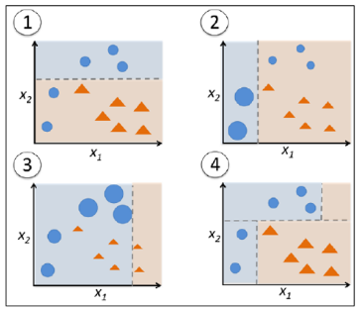
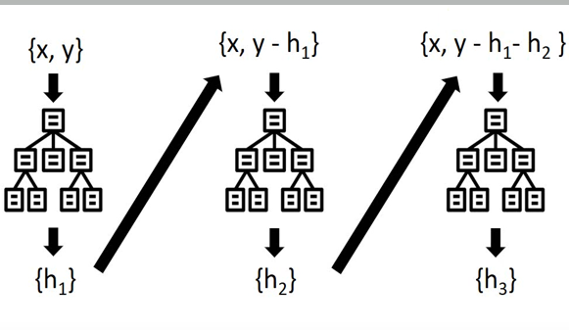
1.Xtream Gradient Boosting or XG BOOST | ENSEMBLE TECHNIQUES
XG BOOST boost algorithm can be used for both classification and regression problem. | 1.Bagging or Bootstrapping aggregation | 2.Boosting

